Form3 - Standard Booth
Form 3 |  |  |  | T-Messe 2023 |  |  |  |  | Submission due date: May 31

Standard Booth Application
Please submit this form to the T-Messe Secretariat (t.tradefair@tonio.or.jp).

1. Contact Person |  | Information in this section is used for communication purposes only and will not be published.

Name |  |  |  |  | Phone
E-mail |  |  |  |  | Other contact

2．Booth Application

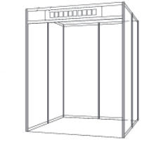
(1) Booth Type and Quantity |  |  |  |  |  |  |  | Small Type
Booth Type |  |  |  | Quantity | Total Fee (tax included)
Small Type (w 1.98m × d 1.98m) |  | JPY 93,000 (tax included)

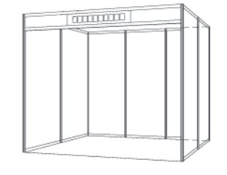
Large Type (w 2.97m × d 1.98m) |  | JPY 132,000 (tax included) |  |  |  |  |  | Large Type

* Information on rental equipment, such as reception desks, chairs, etc. will be provided later.
* If you would like to add your own decorations in addition to the rented items, please contact the secretariat for details on the layout.

(2) Required construction, etc. |  |  | * Actual costs will be charged.
Electrical work |  |  | Necessary |  | Unnecessary
Water supply and drainage work |  |  | Necessary |  | Unnecessary
Use of flammable gas |  |  | Necessary |  | Unnecessary

3. Do you need an interpreter at your booth? |  |  |  |  | One interpreter is assigned per 3-5 exhibitors.
Free interpreter at your booth |  |  | English - Japanese |  | Chinese - Japanese |  | No

4. Will you use exhibitor parking? |  |  |  | Please let us know of your current plan.
Will you use exhibitor parking? |  |  | Yes |  | No

5. Company/Organization Profile |  |  | Information provided in this section will be published on our official website. If possible, please provide the information in Japanese as well as English.
(1) Basic Information
Company/Organization Name (in Japanese)
Company/Organization Name (in English)
Headquarters Address
Contact Address (Sales representative, agent, etc.)
Person in Charge |  |  |  |  | Language of Communication |  | Japanese | English | Chinese
Division / Title |  |  |  |  |  |  | Other ( )
Phone |  |  |  |  | Capital (US$) |  | US$
E-mail |  |  |  |  | Annual Turnover (US$) |  | US$
Website URL |  |  |  |  | Number of Employees
Business Category (Multiple choices allowed) |  | Mechanical Equipment |  | Machine Elements |  | Molds & Products |  | Automotive related
 |  | Robot related |  | Aircraft related |  | Electric & Electronics |  | IT Industry
 |  | Plastics |  | Aluminum |  | Textile |  | Pharmaceuticals
 |  | Chemicals |  | Food Processing |  | Wholesale / Retail / Trade
 |  | Traditional Crafts |  | Design
 |  | Government / Industry Association / Education
 |  | Other ( )
Main Products (In about 10 words) |  | English
 |  | 日本語
Main Products to Exhibit (In about 10 words) |  | English
 |  | 日本語
Company Introduction (In about 30 words) |  | English
 |  | 日本語
Branch or Agent in Japan (if any) | Branch/Agent Name
 | Contact

(2) Experiences in Dealing with Foreign Companies
Business partner countries |  | Japan | USA | China | South Korea |  | ASEAN ( )
 |  | Russia | EU | Other ( )
Name(s) of major business partner(s)
Main products traded |  | English
 |  | 日本語
Trading experiences |  | Export |  |  | Import |  | Commissioned production
 |  | Commissioned processing |  |  | OEM production |  | Foreign technology introduction
 |  | Licensing of technology |  |  | Sales partnership |  | Joint research & development
 |  | Establishment of joint venture |  |  | Other( )

(3) Business Negotiation Purposes
Discussion topics |  | Procurement (products, parts) |  |  | Supply & sales |  | Commissioned production
 |  | Commissioned processing |  |  | OEM production |  | Foreign technology introduction
 |  | Licensing of technology |  |  | Sales partnership |  | Joint research & development
 |  | Establishment of joint venture |  |  | Business attraction |  | Other( )
Specific products and parts you wish to procure (if any) |  | English
 |  | 日本語

